Concurency test
Test name | Url | Max time[ms]* | Total Median[ms]* | Mean time[ms]* | Data transferred [B] | Total requests | Concurency | Transfer rate[Kbytes/sec] | Min req per second | - | Remake with fewer for loops to see if that impacts performance significantly | max,med,mean | conc
Simple object request | http://localhost:8080/controlPanel/testGetData/0 | 57 | 46 | 44 | 191 | 100 | 10 | 114.08 | 17.54385965
 |  | 541 | 425 | 417 |  | 1000 | 100 | 125.94 | 1.848428835
 |  | 1728 | 1540 | 1358 |  | 2000 | 500 | 105.09 | 0.5787037037
Request 1 kB | http://localhost:8080/controlPanel/testGetData/1 | 58 | 46 | 45 | 1,215 | 100 | 10 | 435.63 | 17.24137931
 |  | 395 | 313 | 297 |  | 1000 | 100 | 427.16 | 2.53164557
 |  | 1369 | 1253 | 1132 |  | 2000 | 500 | 388.55 | 0.7304601899
Request 100kB | http://localhost:8080/controlPanel/testGetData/100 | 231 | 202 | 202 | 102,591 | 100 | 1 | 495.46 | 4.329004329 |  | 1 | 2012-12-22 | 1
 |  | 531 | 407 | 411 |  | 100 | 2 | 482.31 | 1.883239171 |  |  | 83, 63, 61 | 10
 |  | 3172 | 2367 | 2440 | 204,991 | 100 | 10 | 390.46 | 0.315258512
Request 200kB | http://localhost:8080/controlPanel/testGetData/200 | 989 | 847 | 845 |  | 100 | 1 | 237.08 | 1.011122346 |  | 2 | 30, 14, 14 | 1
 |  | 1822 | 1611 | 1603 |  | 100 | 2 | 247.2 | 0.5488474204 |  |  | 109, 70, 72 | 10
 |  | 9962 | 9103 | 8678 |  | 100 | 10 |  | 0.1003814495
Request 500kB | http://localhost:8080/controlPanel/testGetData/500 | 61367 | 62459 | 86932 | 512,191 | 100 | 10 |  | 0.01629540307 |  | 5
 |  | 70867 | 54431 | 46540 |  | 20 | 10 | 72.3 | 0.01411094021 |  |  |  |  |  |  | Retest for: | http://localhost:8080/controlPanel/testGetData/1
 |  | - | - | - |  | 2000 | 500
Request 1mB | http://localhost:8080/controlPanel/testGetData/1000 | 53733 | 53166 | 47232 | 1,002,000 | 10 | 2 | 38.28 | 0.01861053729 |  | 10 | 407, 252, 256 | 10 | still acceptable | Transfer rate: 37307.21 [Kbytes/sec] received | Requests | Concurency | Max | Med | Mean | Transfer rate [Kbytes/sec]
 |  | - | - | - |  |  |  |  |  |  |  |  |  |  | Concurrency Level: 10 | 10000 | 100 | 806 | 453 | 465 | 21513.09
 |  | - | - | - |  |  |  |  |  |  |  |  |  |  | Time taken for tests: 2.681 seconds
 |  |  |  |  |  |  |  |  |  |  |  |  |  |  | Complete requests: 100
 |  |  |  |  |  |  |  |  |  |  |  |  |  |  | Failed requests: 0
 |  |  | *Time for the concurrent requests to finish. Ie time to complete 10, 100, 500, etc requests. |  |  |  |  |  |  |  |  |  |  |  | Total transferred: 102432900 bytes
 |  |  |  |  |  |  |  |  |  |  |  |  |  |  | HTML transferred: 102419100 bytes
 |  |  |  |  |  |  |  |  |  |  |  |  |  |  | Requests per second: 37.30 [#/sec] (mean)
Raw data for first test |  |  | get data 500, 100 requests, 10 concurency, making my pc struggle. I think I'm running out of memory. |  |  |  |  |  |  |  |  |  |  |  | Time per request: 268.131 [ms] (mean)
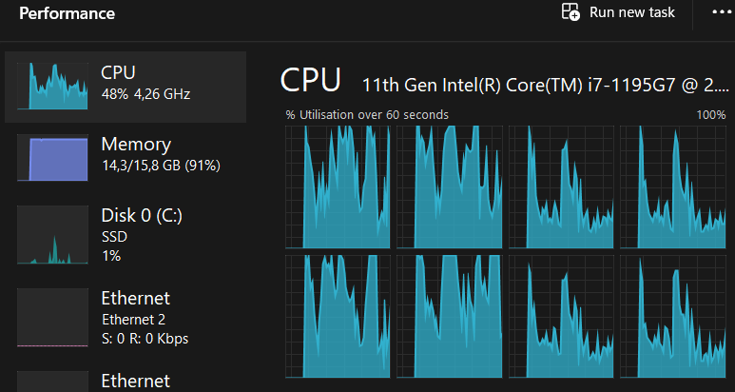
C:\Users\horva>ab -n 100 -c 10 http://localhost:8080/controlPanel/testGetData/0 This is ApacheBench, Version 2.3 <$Revision: 1903618 $> Copyright 1996 Adam Twiss, Zeus Technology Ltd, http://www.zeustech.net/ Licensed to The Apache Software Foundation, http://www.apache.org/ Benchmarking localhost (be patient).....done Server Software: Server Hostname: localhost Server Port: 8080 Document Path: /controlPanel/testGetData/0 Document Length: 191 bytes Concurrency Level: 10 Time taken for tests: 0.596 seconds Complete requests: 100 Failed requests: 0 Total transferred: 32500 bytes HTML transferred: 19100 bytes Requests per second: 167.71 [#/sec] (mean) Time per request: 59.625 [ms] (mean) Time per request: 5.963 [ms] (mean, across all concurrent requests) Transfer rate: 53.23 [Kbytes/sec] received Connection Times (ms) min mean[+/-sd] median max Connect: 0 0 0.4 0 2 Processing: 12 55 12.8 56 88 Waiting: 12 55 12.8 56 87 Total: 13 56 12.8 57 88 Percentage of the requests served within a certain time (ms) 50% 57 66% 61 75% 64 80% 66 90% 71 95% 74 98% 80 99% 88 100% 88 (longest request)

Slow
C:\Users\horva>ab -n 100 -c 10 http://localhost:8080/controlPanel/testGetData/500 This is ApacheBench, Version 2.3 <$Revision: 1903618 $> Copyright 1996 Adam Twiss, Zeus Technology Ltd, http://www.zeustech.net/ Licensed to The Apache Software Foundation, http://www.apache.org/ Benchmarking localhost (be patient)... Server Software: Server Hostname: localhost Server Port: 8080 Document Path: /controlPanel/testGetData/500 Document Length: 512191 bytes Concurrency Level: 10 Time taken for tests: 483.493 seconds Complete requests: 73 Failed requests: 0 Total transferred: 37399944 bytes HTML transferred: 37389943 bytes Requests per second: 0.15 [#/sec] (mean) Time per request: 66231.922 [ms] (mean) Time per request: 6623.192 [ms] (mean, across all concurrent requests) Transfer rate: 75.54 [Kbytes/sec] received Connection Times (ms) min mean[+/-sd] median max Connect: 0 0 0.5 1 2 Processing: 5325 61367 16699.5 62459 86932 Waiting: 5318 61364 16700.0 62456 86930 Total: 5325 61367 16699.4 62459 86932 ERROR: The median and mean for the initial connection time are more than twice the standard deviation apart. These results are NOT reliable. Percentage of the requests served within a certain time (ms) 50% 62451 66% 63678 75% 67139 80% 71958 90% 80233 95% 85514 98% 86890 99% 86932 100% 86932 (longest request) apr_pollset_add(): Not enough space (12) Total of 73 requests completed

